Geograghically
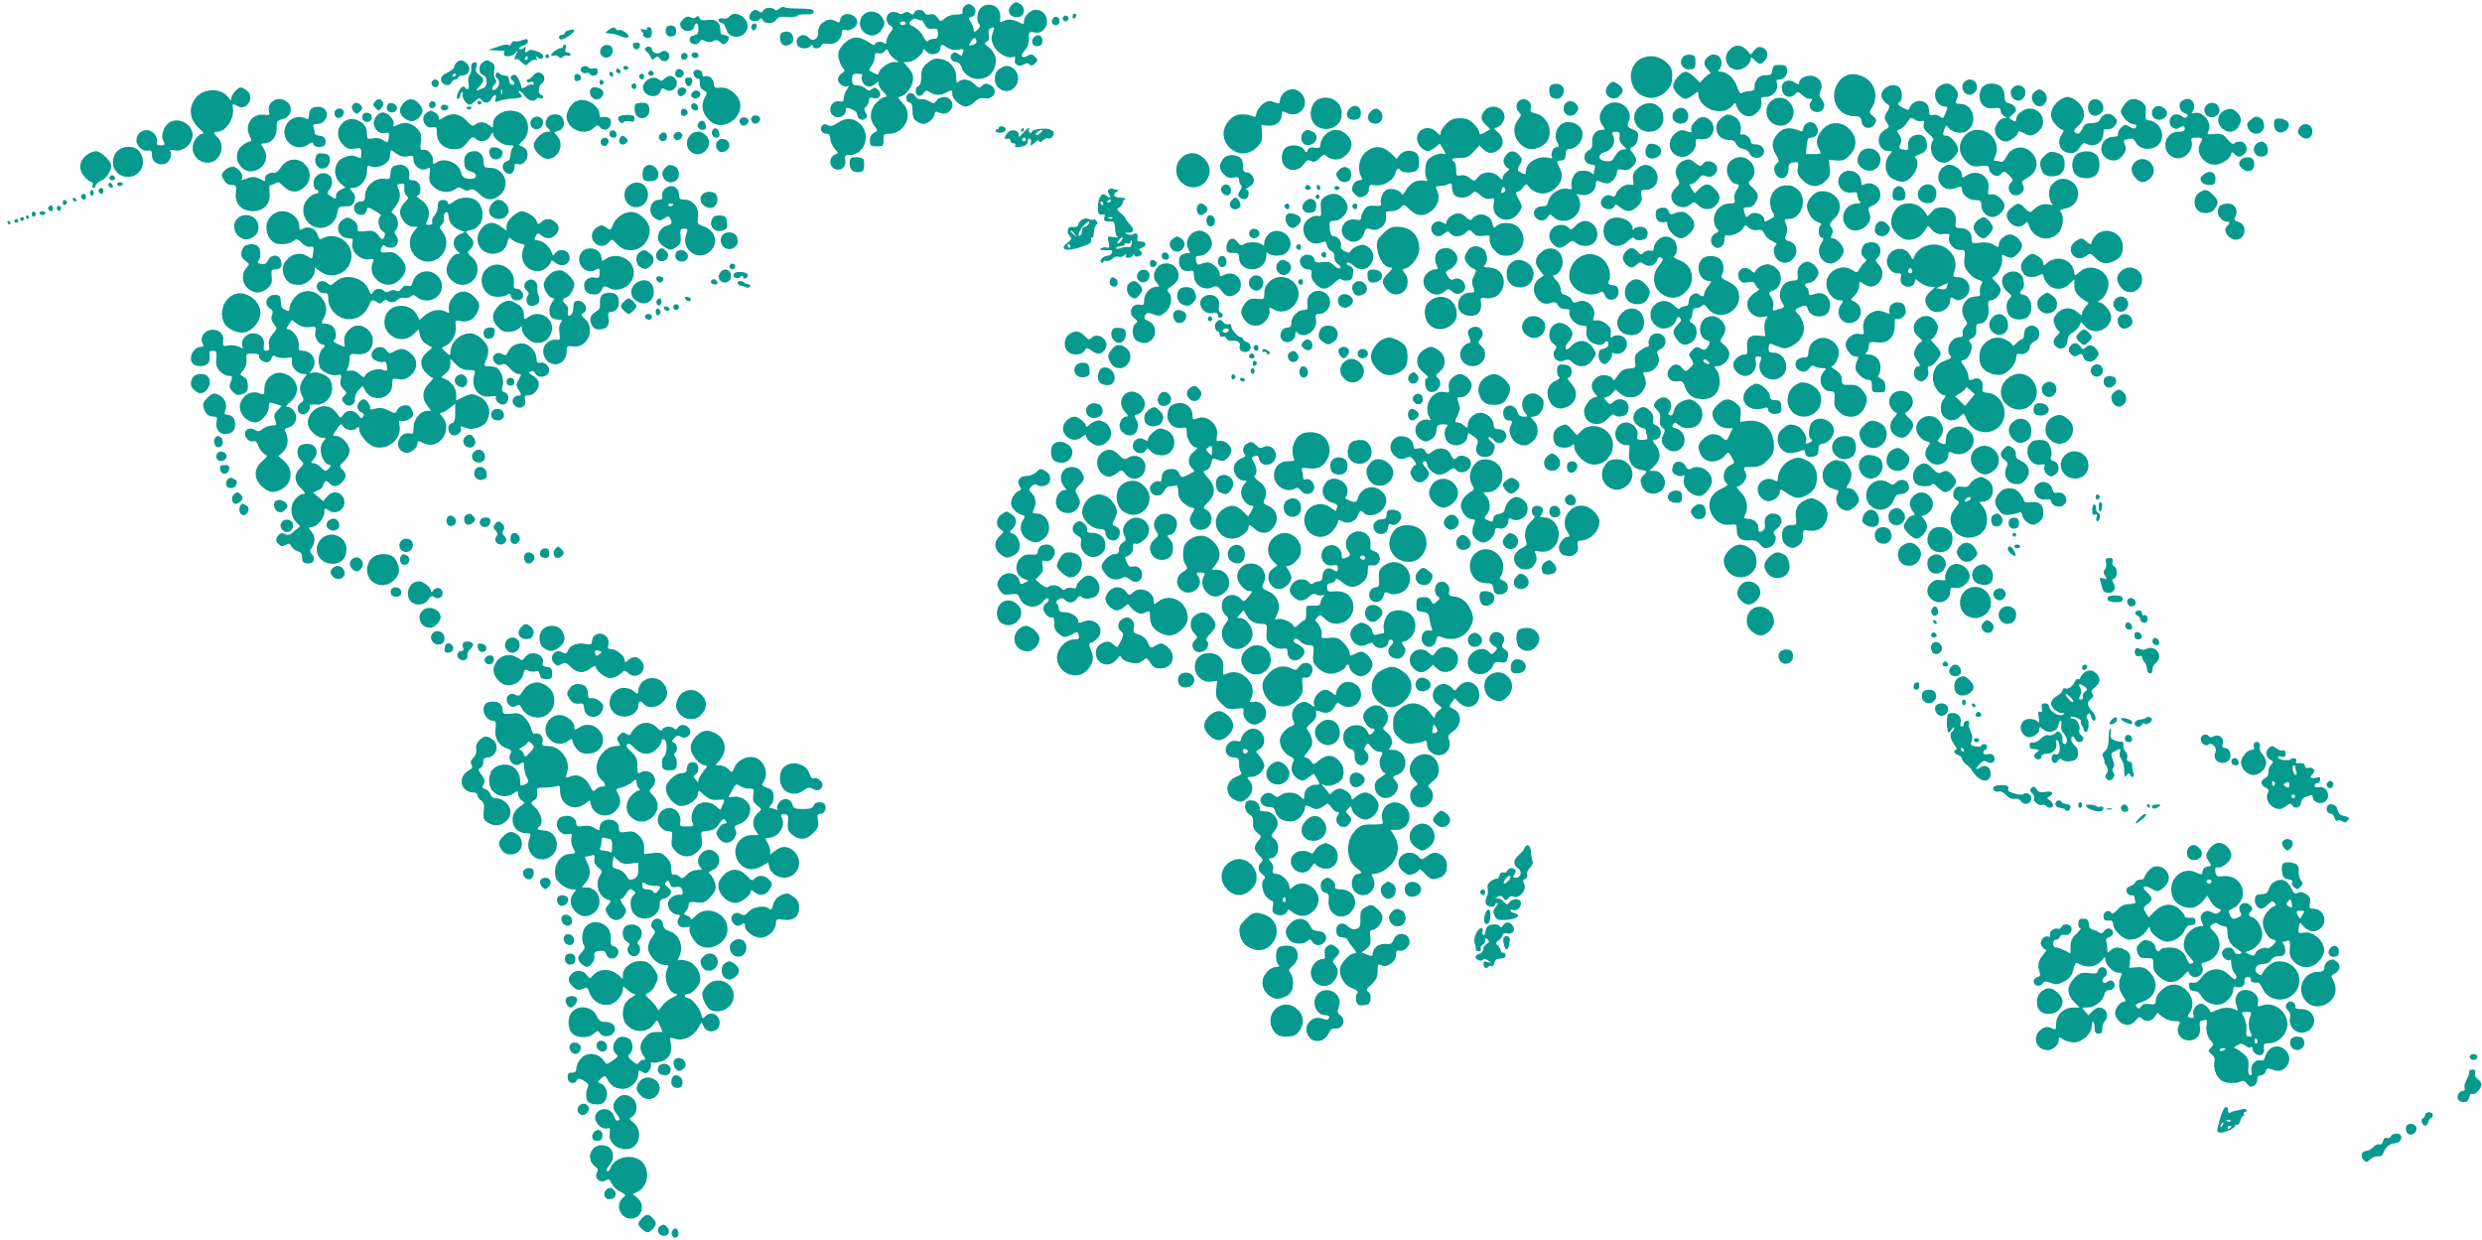

Financial Statistics

$827,044

 | Brazil | Canada | India | Russia | United Kingdom | USA
 | 9% | 9% | 25% | 27% | 16% | 15%

Brazil
71992
8.70%
Canada
73912
8.94%
India
204528
24.73%
Russia
219404
26.53%
United Kingdom
129304
15.63%
USA
127904
15.63%

 |  |  | Y&X
Remaining percentage | 25% | 0 | 1
Actual | 75% | 0.99981701632 | -0.019129398011

75%

Sales Percentage
Achieved

